Data Sheet
Gate
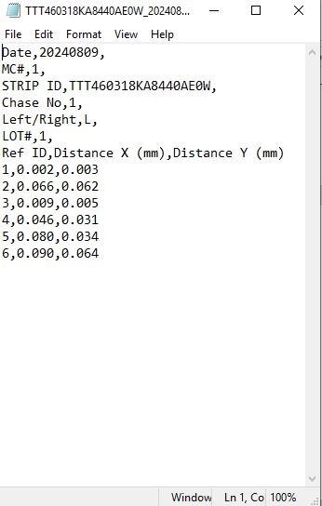
1
2
Offset 일원화 Data Sheet |  |  |  |  |  |  |  |  |  |  |  |  |  |  | Marlin
Lot | Strip ID | Time | L/R
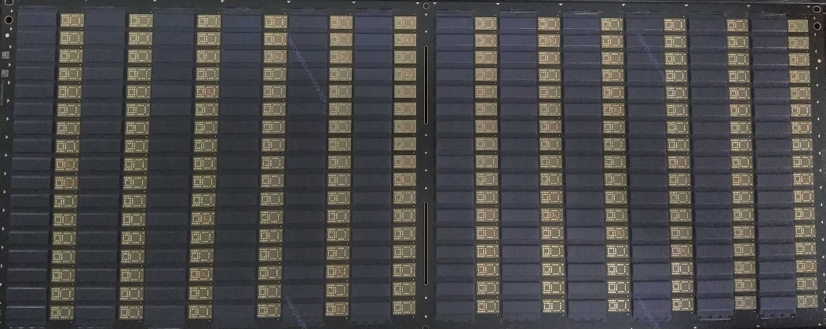
Point | 1 | 2 | 3 | 4 | 5 | 6 | 7 | 8 | 9 | 10 | 11 | 12 | 13 | 14
X
Y
Lot | Strip ID | Time | L/R

Point | 1 | 2 | 3 | 4 | 5 | 6 | 7 | 8 | 9 | 10 | 11 | 12 | 13 | 14
X
Y
3
4
5
6
Lot | Strip ID | Time | L/R

Vent
Point | 1 | 2 | 3 | 4 | 5 | 6 | 7 | 8 | 9 | 10 | 11 | 12 | 13 | 14
X
Y
Lot | Strip ID | Time | L/R

Point | 1 | 2 | 3 | 4 | 5 | 6 | 7 | 8 | 9 | 10 | 11 | 12 | 13 | 14
X
Y
Lot | Strip ID | Time | L/R

Point | 1 | 2 | 3 | 4 | 5 | 6 | 7 | 8 | 9 | 10 | 11 | 12 | 13 | 14
X
Y |  |  |  |  |  |  |  |  |  |  |  |  |  |  | 왼쪽이 X축 Offset값, 오른쪽이 Y축 Offset값
Lot | Strip ID | Time | L/R |  |  |  |  |  |  |  |  |  |  |  | X, Y축 모두 6 Point까지만 입력 부탁 드립니다.
Gate
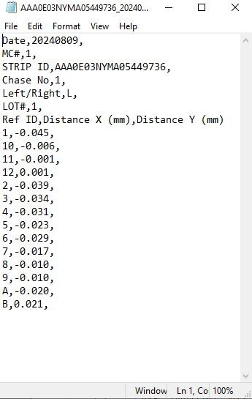
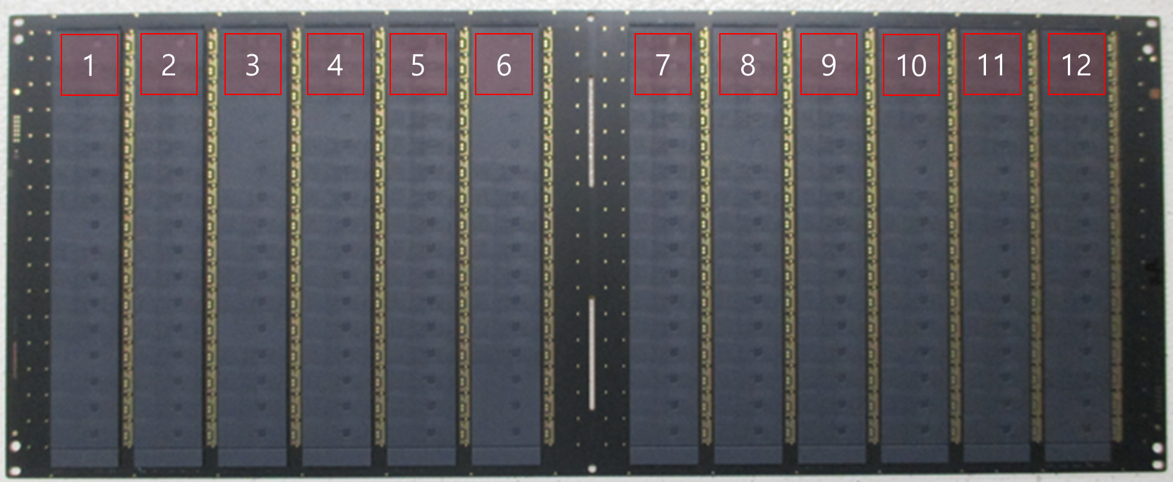
Point | 1 | 2 | 3 | 4 | 5 | 6 | 7 | 8 | 9 | 10 | 11 | 12 | 13 | 14 | Monaco
X
Y
Lot | Strip ID | Time | L/R

Point | 1 | 2 | 3 | 4 | 5 | 6 | 7 | 8 | 9 | 10 | 11 | 12 | 13 | 14
X
Y
Lot | Strip ID | Time | L/R

Vent
Point | 1 | 2 | 3 | 4 | 5 | 6 | 7 | 8 | 9 | 10 | 11 | 12 | 13 | 14
X
Y
Lot | Strip ID | Time | L/R

Point | 1 | 2 | 3 | 4 | 5 | 6 | 7 | 8 | 9 | 10 | 11 | 12 | 13 | 14
X
Y
Lot | Strip ID | Time | L/R

Point | 1 | 2 | 3 | 4 | 5 | 6 | 7 | 8 | 9 | 10 | 11 | 12 | 13 | 14
X
Y
Lot | Strip ID | Time | L/R

Point | 1 | 2 | 3 | 4 | 5 | 6 | 7 | 8 | 9 | 10 | 11 | 12 | 13 | 14 | A와 B는 제외해주세요
X
Y
Lot | Strip ID | Time | L/R

Point | 1 | 2 | 3 | 4 | 5 | 6 | 7 | 8 | 9 | 10 | 11 | 12 | 13 | 14
X
Y
Lot | Strip ID | Time | L/R

Point | 1 | 2 | 3 | 4 | 5 | 6 | 7 | 8 | 9 | 10 | 11 | 12 | 13 | 14
X
Y
Lot | Strip ID | Time | L/R

Point | 1 | 2 | 3 | 4 | 5 | 6 | 7 | 8 | 9 | 10 | 11 | 12 | 13 | 14
X
Y
Lot | Strip ID | Time | L/R

Point | 1 | 2 | 3 | 4 | 5 | 6 | 7 | 8 | 9 | 10 | 11 | 12 | 13 | 14
X
Y

